Sheet1
 |  | Document No. | Issue No. | Issue Date |  |  | Review and Replace Date |  | Authorised By
 |  | GFF164MC | 4 | 20.03.2020 |  |  | 21.12.2021 |  | Magda Shah
 |  | Document Title | PERI PERI CHICKEN PARCEL 85g
Document amendments reason for change |  | Film Updated |  |  | Page 1 of 1 |  | Previous Issue Date | 22.02.2021 | Uncontrolled copy unless signed original

CCPPL-G6T | GAZEBO |  | PERI PERI CHICKEN PARCEL 85g
STEP 1 |  |  |  |  |  | STEP 2
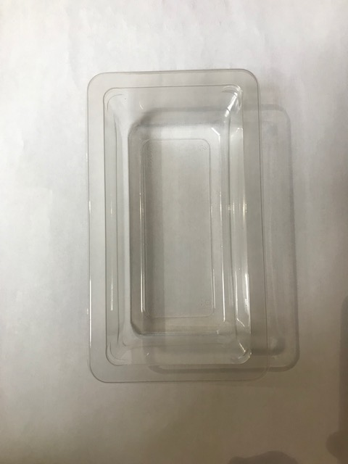 |  |  |  |  |  | 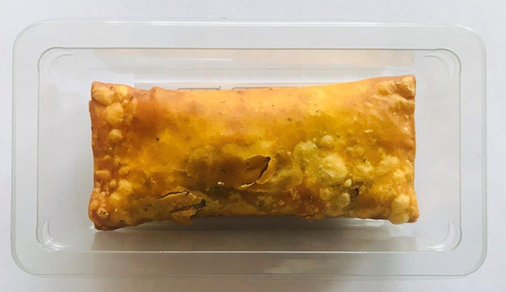

Tray: SINGLE CAVITY/F145 (PKLEE001-05) |  |  |  |  |  | Peri Peri Chicken Parcel (GFF299R) 85g |  |  | Total Weight: 85g
Film: K-PEEL 7G+ AF 25 (250mm x 1000) (PKKMP001-01)
ALLERGY ALERT: WHEAT

